Sheet1
MY LINKEDIN DASHBOARD POSTS ANALYSIS

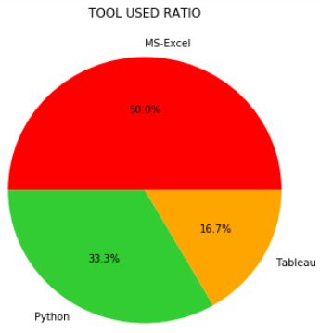 | 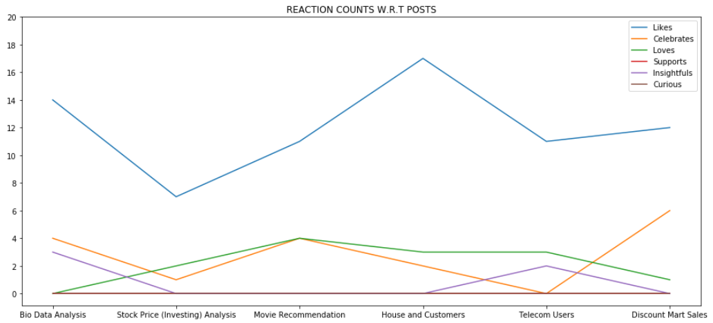 |  |  |  | 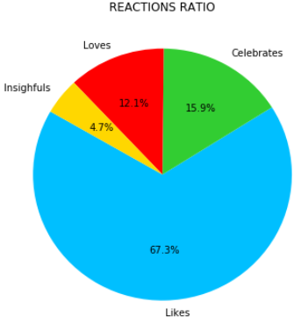

 | Highest Total Views | Lowest Total Views | Highest Total Reactions | Lowest Total Reactions

 | 993 | 221 | 22 | 10

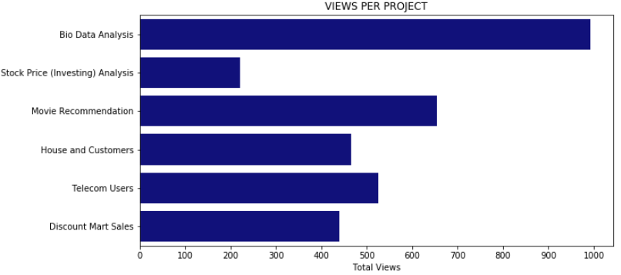 |  |  | 